Summary
S/N | MODULE | Application | Verification | Status | Error Message | Issue Type | Criticality
1 | MR | MR | To be able to approve the existing MR with status 'WAPPR'. | ok | MR00477946 error when trying to approve existing MR in WAPPR status | data issue | Blocking | 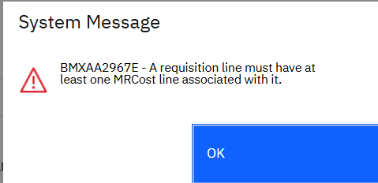
2 | MR | MR | To be able to perform issue to the existing MR with approved status approved in step 1 via inventory usage (if step 1 is successfully completed). | NOK | MR00477105 error message when selecting the item in reservation window | data issue? Not sure | Blocking |  | 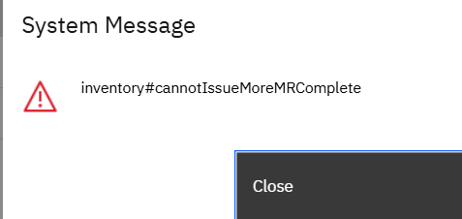
3 | MR | MR | To be able to perform issue to the existing MR with approved status via inventory usage. | ok | MR00477105 error message when selecting the item in reservation window | data issue? Not sure | Blocking
3 | MR | MR | To be able to create new MR on migrated Item | ok
4 | MM | Inventory Usage | To be able to perform issue for MR with Partial Issue | ok | item: A60-AFD1-0001-0016XX 1. item gl account is using invalid gl, the cost center should be starting with 3 instead of 2 2. error when changing inventory usage to complete | 1. data issue 2. not sure | Blocking |  | 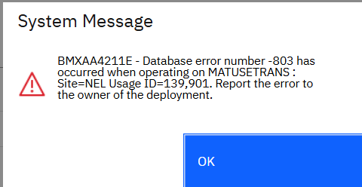
5 | MM | Inventory Usage | To be able to perform Issue on Return (on migrated Issue Items) | ok | 1. unable to save inventory usage for return as the gl account is invalid, the cost center should be starting with 3 instead of 2 2. there are items which can only be returned to Transit store. Sbst will not issue from transit store, hence return should not be set to transit store | 1. data issue 2. data issue |  |  | 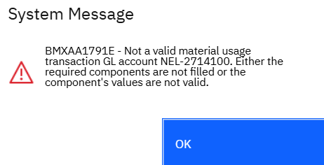 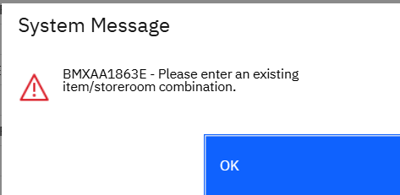
6 | MM | PR | To create PR, with Reference to Purchase Contract, select search, the select value is blank | ok | unable to select migrated contracts in contracts reference | not sure | Blocking
7 | MM | PO | To create PO, with Reference to Purchase Contract, select search, the select value is blank | ok | unable to select migrated contracts in contracts reference | not sure | Blocking
8 | MM | PR | To approve existing PR with status WAPPR | ok
 | MM | PR | To create pr with existing items | ok
9 | MM | RFQ | To create RFQ for migrated approved PR | ok
10 | MM | RFQ | To complete the RFQ Process till PO Creation (RFQ Created in step 17) | ok | unable to create PO for item from migrated PR | data issue | Blocking
10a | MM | PO | Able to create PO from migrated PR | OK
11 | MM | PO | To approve existing WAPPR PO | ok | unable to approve as gl account is invalid, the cost center should be starting with 3 instead of 2 | data issue (amended the GL Account and proceed). | minor
11a | MM | Receiving | To perform Receive to an existing PO (NONE Receipt/Partial Receipt - no required inspection). | OK | ok. able to receive for item without inspection.
12 | MM | Receiving | To perform Receive to an existing PO (NONE Receipt/Partial Receipt) | NOK | 1. migrated po lines are not inspection required? Enabled. Field needs to be checked 2. Holding location is set to decomissioned. Changed to active and set gl account to proceed with testing. 3. migrated po line items are charged to CW store. It should be to Transit store. | 1. data issue 2. data issue 3. data issue | Blocking
13 | MM | Inventory Usage | To perform stock Transfer from Transit Store to CW (For the migrated data in Transit store) | ok
14 | MM | Stock Count | To generate stock count on migrated data and complete the whole cycle stock result input | ok
15 | MM | Exchange Rates | Import exchange rates using data import | NOK | 1. import action not available in exchange rates application even when security access is granted. Tested import using external systems 2. error when importing with import preview. Error does not appear when using same file in uat platform 3. the dates in the exchange rates are updated even though import preview is used. dates should not be updated. | 1. application issue 2. development issue (routed to Kaitao) 3. development issue (routed to Kaitao)
16 | MM | Invoices | Create invoice for existing APPR PO after receiving items | ok
17 | EM | Asset | Enter meter reading for KM A100000028561 TRAIN /101D/MDKM TRAIN /102D/MDKM | NOK | 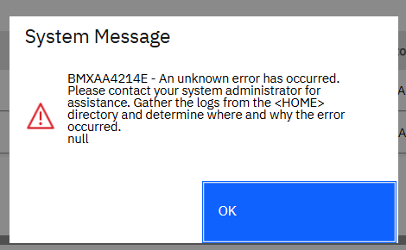
18 | WM | WO | Enter meter reading for KM wo#WO10000033 A100000028561 TRAIN /101D/MDKM TRAIN /102D/MDKM | NOK
19 | WM | SR | To create WO for migrated SR | NOK | 1) For migrated SR when the SR status is closed, but user can still updated SR Location field and save (Location field is Mandatory field) | Data Issue | minor
20 | WM | SR | To create WO for migrated SR | ok | 1. For all the SR failure class has this value “CSWNFL_CLS” (is it from data migration?) 2. Tried to create WO from migrated SR and got this issue “Failure Class Not valid” 3. After I changed the failure class and tried to create WO, then it is okay. | Data Issue
21 | WM | WO | To complete the WO created in step 6 | ok | (WO10000010)
22 | WM | CM WO | To approve migrated CM WO (status WAPPR) | ok | (WO02199069)
23 | WM | CM WO | To input actual to approved WO (STEP 8) | ok
24 | WM | CM WO | To approve labor reporting Input in step 9 | ok
25 | WM | CM WO | To input failure findings for WO created in step 8 | ok
26 | WM | PM | To be able to Auto Generate WO from PM | NOK | - All migrated PM’s Status are “Draft”. In draft status PM won’t generate WO | Not sure
27 | WM | PM WO | To complete the WO created in step 12 | ok | [(WO02185899) ok without adding any labor] [WO02185898 – Nok – Cannot select planned labor] | Not sure
28 | WM | CM WO | To create CM WO on migrated Asset, associate with a migrated Job Plan | ok | Refer to the screen shot above – Actual finish date field is not populating when try to complete WO | Application
29 | WM | CM WO | Assignment of LABOR Records, can be used in WO | ok | - | -
30 | WM | CM WO | To select migrated tool for CM WO | ok | NO migrated Tool available | -
31 | WM | WO | To perform move/swap in WO | ok | (WO02159309) | -

Sheet4
1. Service Request
a. Tried to create WO from migrated SR and got this issue “Failure Class Not valid”
b. After I changed the failure class and tried to create WO, then it is okay.
c. For all the SR failure class has this value “CSWNFL_CLS” (is it from data migration?)

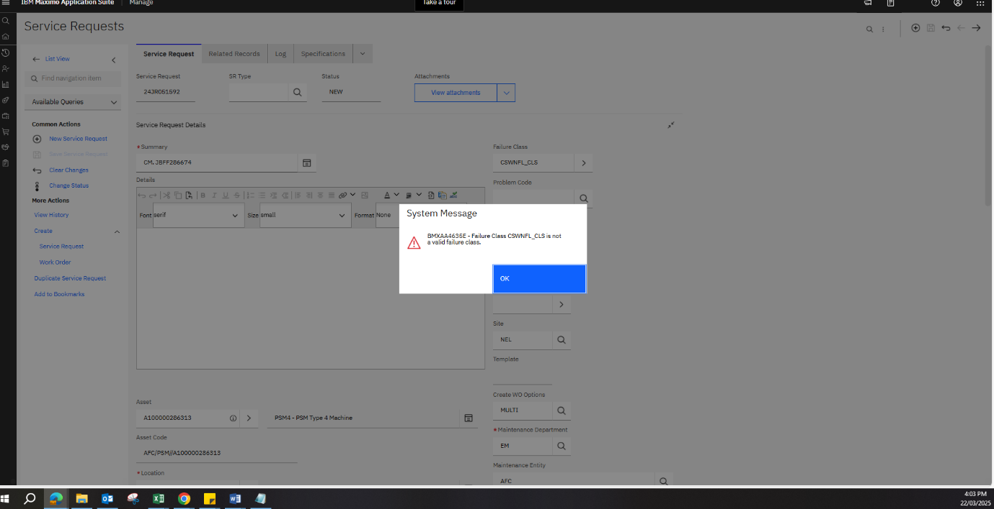

d. Mandatory field “Location” is empty for the migrated SR.
e. For migrated SR even the SR status is closed, but user can still updated SR Location field and save (Location field is Mandatory field)
f. As soon as I entered location value system will remove the failure class from SR.

a. Mandatory field “Location” is empty for the migrated SR.
b. For migrated SR even the SR status is closed, but user can still updated SR Location field and save (Location field is Mandatory field)
c. As soon as I entered location value system will remove the failure class from SR.

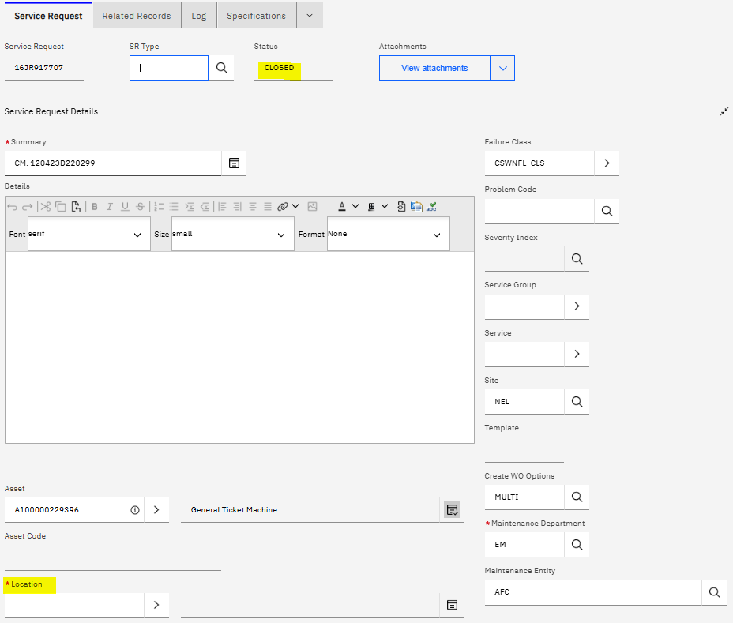

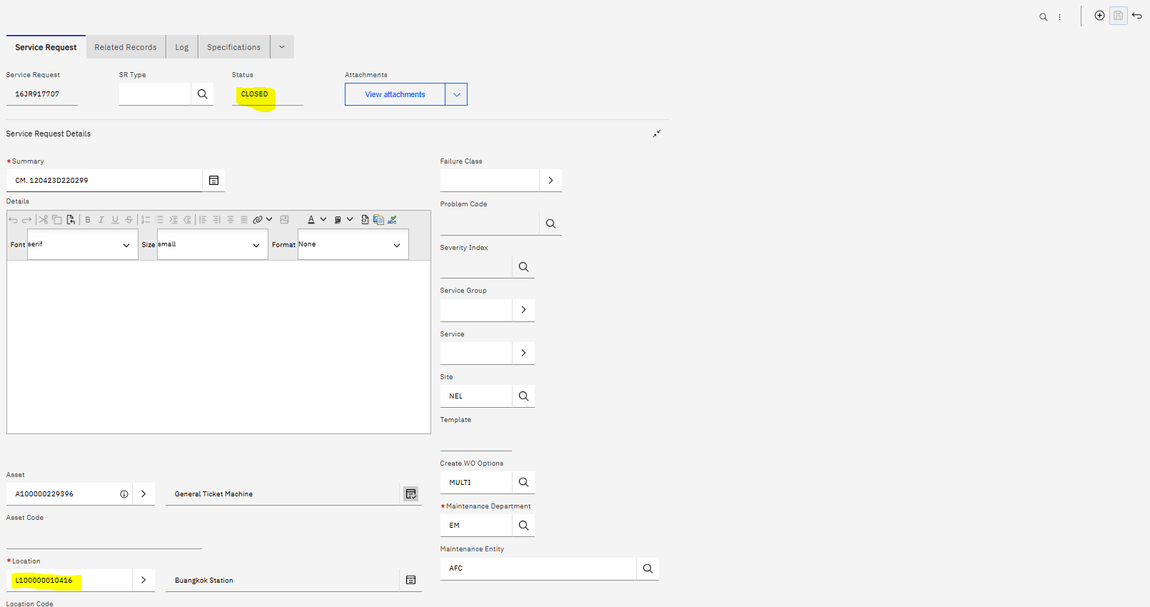

a. Tried to create WO for closed SR then system through this error

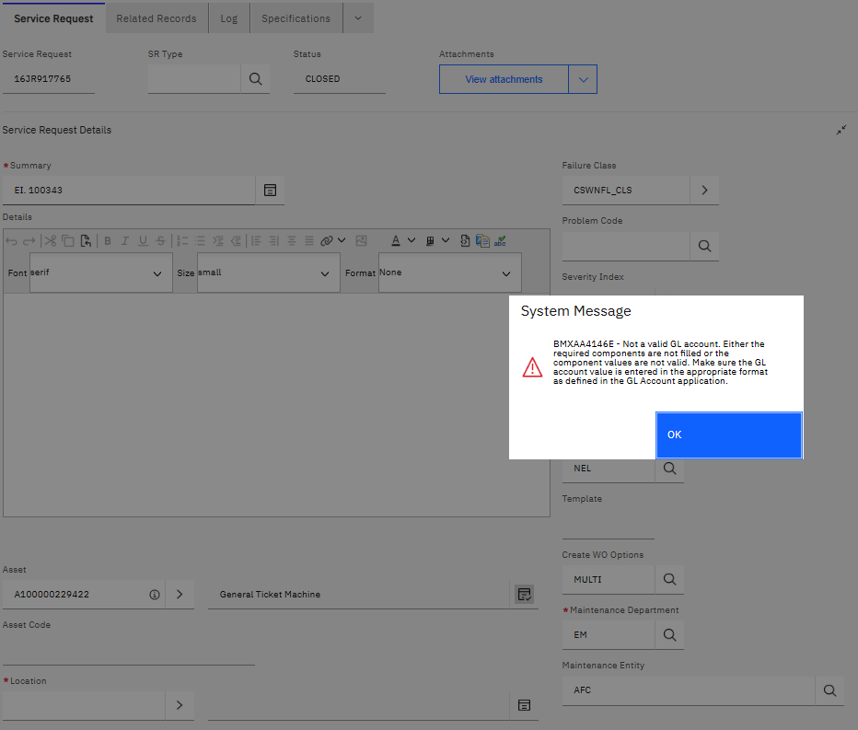

1. Work Order

a. In PM WO when try to select planned labor. System throw this Not a valid GL account error.

1. Work Order

a. In PM WO when try to select planned labor. System throw this Not a valid GL account error.

enter meter reading
